Data in kg
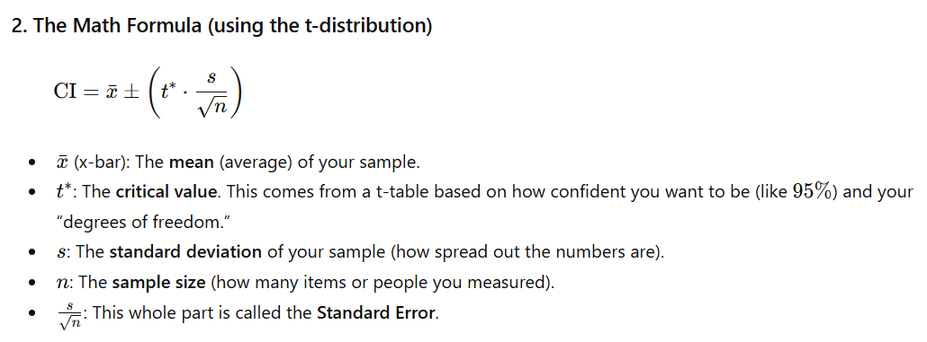
Confidence interval for difference of two means, dependent samples
Weight loss example, kg

Background | The 365 team has developed a diet and an exercise program for losing weight. It seems that it works like a charm.
 | However, you are interested in how much weight are you likely to lose.
 | You have a sample of 10 people who have already completed the 12-week program.
Task 1 | Calculate the mean and standard deviation of the dataset
Task 2 | Determine the appropriate statistic to use
Task 3 | Calculate the 95% confidence interval
Task 4 | Interpret the result
Optional | You can try to calculate the 90% and 99% confidence intervals to see the difference. There is no solution provided for these cases.

Subject | Weight before (kg) | Weight after (kg) | Difference
1 | 103.68 | 92.87 | -10.81 |  | Mean | -9.08
2 | 110.68 | 101.58 | -9.10 |  | St. Dev | 3.11
3 | 119.05 | 105.66 | -13.39
4 | 101.75 | 96.18 | -5.57 |  | Statistic | T-test
5 | 91.69 | 86.97 | -4.72
6 | 112.03 | 105.90 | -6.13 |  | 95% Confidence Interval | 0.025
7 | 88.84 | 80.56 | -8.28
8 | 105.18 | 97.00 | -8.18 |  | (10-1) degrees of freedom@0.025 | 2.262
9 | 110.37 | 99.27 | -11.10
10 | 120.99 | 107.44 | -13.55
 |  |  |  | T | CI low | CI high
 |  |  |  | 95% | -11.31 | -6.86

